Sheet1
NEXYS-A7 FPGA Peripheral Pin Assignment
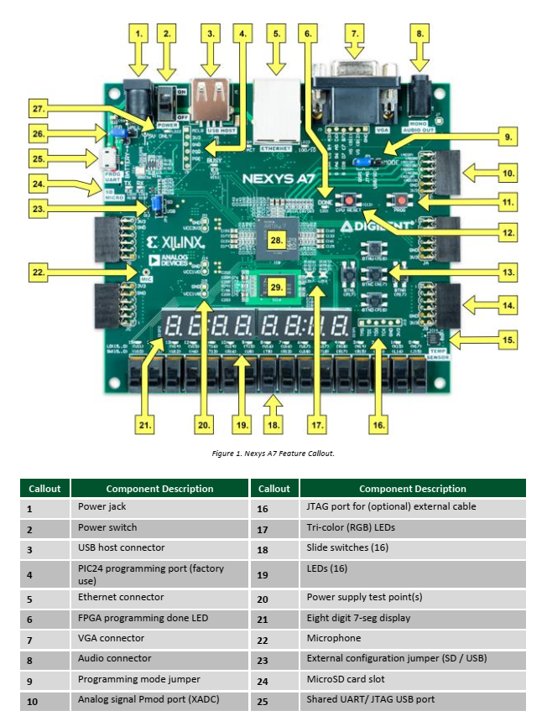
FPGA used: XILINX ARTIX-7 (XC7A100T-1CSG324C)

Signal Name | Description | FPGA Pin Number | Bank Number | Bank Voltage | Remark
CA | 7segment-a | T10 | 14 | 3.3V | Active-Low
CB | 7segment-b | R10 | 14 | 3.3V | Active-Low
CC | 7segment-c | K16 | 15 | 3.3V | Active-Low
CD | 7segment-d | K13 | 15 | 3.3V | Active-Low
CE | 7segment-e | P15 | 14 | 3.3V | Active-Low
CF | 7segment-f | T11 | 14 | 3.3V | Active-Low
CG | 7segment-g | L18 | 14 | 3.3V | Active-Low
DP | DP | H15 | 15 | 3.3V | Active-Low

AN0 | Common-Anode | J17 | 15 | 3.3V | Active-Low
AN1 | Common-Anode | J18 | 15 | 3.3V | Active-Low
AN2 | Common-Anode | T9 | 14 | 3.3V | Active-Low
AN3 | Common-Anode | J14 | 15 | 3.3V | Active-Low
AN4 | Common-Anode | P14 | 14 | 3.3V | Active-Low
AN5 | Common-Anode | T14 | 14 | 3.3V | Active-Low
AN6 | Common-Anode | K2 | 35 | 3.3V | Active-Low
AN7 | Common-Anode | U13 | 14 | 3.3V | Active-Low

LED0 | Red LED | H17 | 15 | 3.3V | Active-High
LED1 | Red LED | K15 | 15 | 3.3V | Active-High
LED2 | Red LED | J13 | 15 | 3.3V | Active-High
LED3 | Red LED | N14 | 14 | 3.3V | Active-High
LED4 | Red LED | R18 | 14 | 3.3V | Active-High
LED5 | Red LED | V17 | 14 | 3.3V | Active-High
LED6 | Red LED | U17 | 14 | 3.3V | Active-High
LED7 | Red LED | U16 | 14 | 3.3V | Active-High
LED8 | Red LED | V16 | 14 | 3.3V | Active-High
LED9 | Red LED | T15 | 14 | 3.3V | Active-High
LED10 | Red LED | U14 | 14 | 3.3V | Active-High
LED11 | Red LED | T16 | 14 | 3.3V | Active-High
LED12 | Red LED | V15 | 14 | 3.3V | Active-High
LED13 | Red LED | V14 | 14 | 3.3V | Active-High
LED14 | Red LED | V12 | 14 | 3.3V | Active-High
LED15 | Red LED | V11 | 14 | 3.3V | Active-High

LED16_R | RGB LED | N15 | 14 |  | Active-High
LED16_G | RGB LED | M16 | 14 |  | Active-High
LED16_B | RGB LED | R12 | 14 |  | Active-High

LED17_R | RGB LED | N16 | 14 |  | Active-High
LED17_G | RGB LED | R11 | 14 |  | Active-High
LED17_B | RGB LED | G14 | 15 |  | Active-High

SW0 | Slide Switch | J15 | 15 | 3.3V
SW1 | Slide Switch | L16 | 14 | 3.3V
SW2 | Slide Switch | M13 | 14 | 3.3V
SW3 | Slide Switch | R15 | 14 | 3.3V
SW4 | Slide Switch | R17 | 14 | 3.3V
SW5 | Slide Switch | T18 | 14 | 3.3V
SW6 | Slide Switch | U18 | 14 | 3.3V
SW7 | Slide Switch | R13 | 14 | 3.3V
SW8 | Slide Switch | T8 | 34 | 1.8V
SW9 | Slide Switch | U8 | 34 | 1.8V
SW10 | Slide Switch | R16 | 14 | 3.3V
SW11 | Slide Switch | T13 | 14 | 3.3V
SW12 | Slide Switch | H6 | 35 | 3.3V
SW13 | Slide Switch | U12 | 14 | 3.3V
SW14 | Slide Switch | U11 | 14 | 3.3V
SW15 | Slide Switch | V10 | 14 | 3.3V

BTNL | Push Button | P17 | 14 | 3.3V | Active-High
BTNR | Push Button | M17 | 14 | 3.3V | Active-High
BTNU | Push Button | M18 | 14 | 3.3V | Active-High
BTND | Push Button | P18 | 14 | 3.3V | Active-High
BTNC | Push Button | N17 | 14 | 3.3V | Active-High

JA1 | PMOD-JA_GPIOs | C17 | 15 | 3.3V
JA2 | PMOD-JA_GPIOs | D18 | 15 | 3.3V
JA3 | PMOD-JA_GPIOs | E18 | 15 | 3.3V
JA4 | PMOD-JA_GPIOs | G17 | 15 | 3.3V
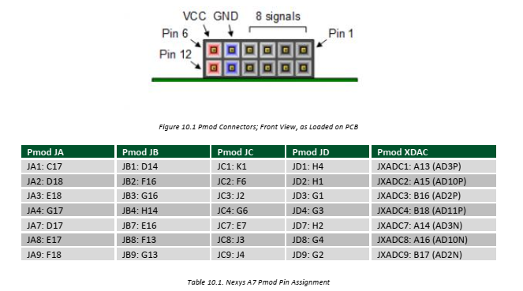
JA7 | PMOD-JA_GPIOs | D17 | 15 | 3.3V
JA8 | PMOD-JA_GPIOs | E17 | 15 | 3.3V
JA9 | PMOD-JA_GPIOs | F18 | 15 | 3.3V
JA10 | PMOD-JA_GPIOs | G18 | 15 | 3.3V

JB1 | PMOD-JB_GPIOs | D14 | 15 | 3.3V
JB2 | PMOD-JB_GPIOs | F16 | 15 | 3.3V
JB3 | PMOD-JB_GPIOs | G16 | 15 | 3.3V
JB4 | PMOD-JB_GPIOs | H14 | 15 | 3.3V
JB7 | PMOD-JB_GPIOs | E16 | 15 | 3.3V
JB8 | PMOD-JB_GPIOs | F13 | 15 | 3.3V
JB9 | PMOD-JB_GPIOs | G13 | 15 | 3.3V
JB10 | PMOD-JB_GPIOs | H16 | 15 | 3.3V

JC1 | PMOD-JC_GPIOs | K1 | 35 | 3.3V
JC2 | PMOD-JC_GPIOs | F6 | 35 | 3.3V
JC3 | PMOD-JC_GPIOs | J2 | 35 | 3.3V
JC4 | PMOD-JC_GPIOs | G6 | 35 | 3.3V
JC7 | PMOD-JC_GPIOs | E7 | 35 | 3.3V
JC8 | PMOD-JC_GPIOs | J3 | 35 | 3.3V
JC9 | PMOD-JC_GPIOs | J4 | 35 | 3.3V
JC10 | PMOD-JC_GPIOs | E6 | 35 | 3.3V

JD1 | PMOD-JD_GPIOs | H4 | 35 | 3.3V
JD2 | PMOD-JD_GPIOs | H1 | 35 | 3.3V
JD3 | PMOD-JD_GPIOs | G1 | 35 | 3.3V
JD4 | PMOD-JD_GPIOs | G3 | 35 | 3.3V
JD7 | PMOD-JD_GPIOs | H2 | 35 | 3.3V
JD8 | PMOD-JD_GPIOs | G4 | 35 | 3.3V
JD9 | PMOD-JD_GPIOs | G2 | 35 | 3.3V
JD10 | PMOD-JD_GPIOs | F3 | 35 | 3.3V

BTNRES | CPU RESET | C12

CLK100MHZ | 100MHz clock | E3 | 35 | 3.3V | rising_edge

